SCS2 (VENUS)
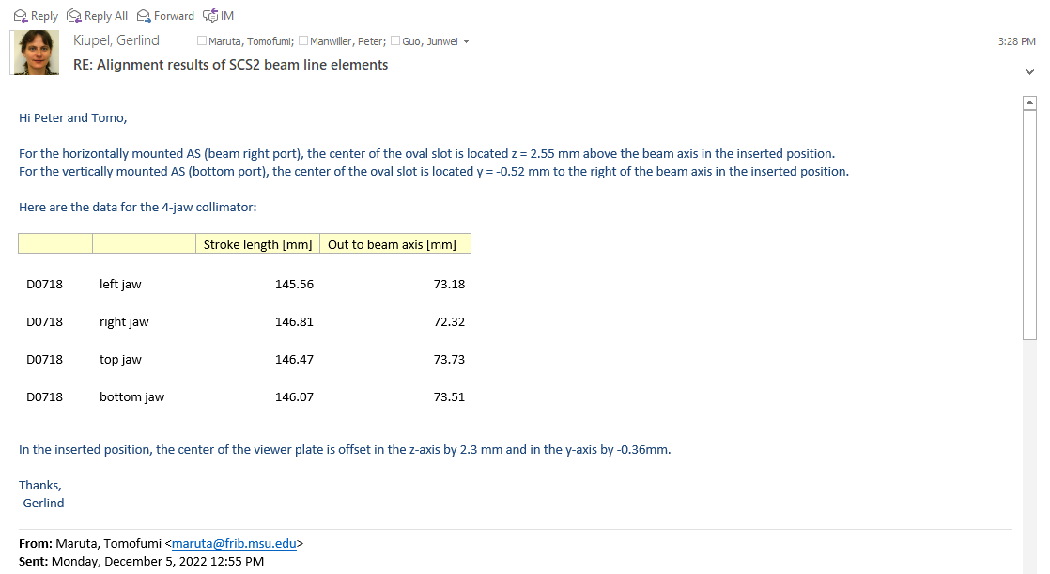
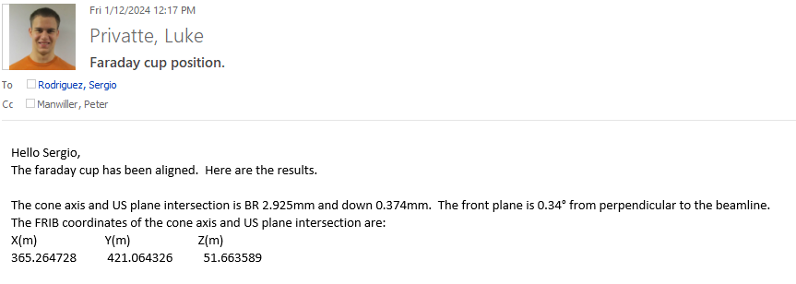
Name | Pitch_R1_Deg | Roll_R2_Deg | Yaw_R3_Deg | Horz_Off_Meters | Vert_Off_Meters | Linear_Off_Meters | Date of Position Computation
Injection (FE_SRC2_PORT_D0651) | 0.023446 | 0.022997 | 0.003089 | 0.000325 BR | 0.000079 DN | 0.001973 US | 2023-09-18 16:27:03
FE_SRC2_S_D0661 Cryostat | -0.002609 | 0.010880 | 0.024781 | 0.000029 BL | 0.000076 DN | 0.001476 US | 2019-12-09
FE_SRC2_S_D0661 Magnet Yoke | -0.005284 | -0.009163 | 0.002130 | 0.000014 BR | 0.000148 DN | 0.000153 US | 2023-09-18
Extraction (FE_SRC2_PORT_D0673) | 0.006608 | -0.033568 | 0.044465 | 0.000048 BL | 0.000393 DN | 0.002235 US | 2023-09-18 16:27:04
FE_SCS2_DCHV_D0680 | -0.0692 | 0.0348 | -0.2785 | 0.000043 BL | 0.000001 UP | 0.005694 DS | 2022-12-02
FE_SCS2_SOLR_D0683 | -0.0016 | -0.0021 | 0.0001 | 0.000020 BL | 0.000025 DN | 0.000050 DS | 2022-12-02
FE_SCS2_DCHV_D0688 | -0.0987 | 0.0220 | -0.0415 | 0.000104 BR | 0.000013 DN | 0.004821 DS | 2022-12-02
FE_SCS2_DH_D0696 | 0.0049 | -0.0001 | 0.0081 | 0.000008 BR | 0.000027 UP | 0.000046 US | 2022-12-02
FE_SCS2_DCHV_D0702 | 0.0459 | -0.0141 | 0.1523 | 0.000008 BR | 0.000012 DN | 0.000792 DS | 2022-12-02
FE_SCS2_QET_D0709 | 0.007 | 0.020 | 0.001 | 0.000454 BL | 0.000310 UP | 0.000387 DS | 2022-12-02
FE_SCS2_QET_D0725 | -0.0169 | 0.2421 | -0.0029 | 0.000326 BL | 0.000015 DN | 0.006116 DS | 2022-12-02
FE_SCS2_DCHV_D0731 | -0.1653 | 0.0233 | 0.4133 | 0.000368 BL | 0.000086 DN | 0.000689 DS | 2022-12-02
FE_SCS2_DH_D0738 | 0.0043 | 0.0054 | 0.0020 | 0.000052 BL | 0.000051 UP | 0.000039 US | 2022-12-02
FE_SCS2_QED_D0749 | -0.014 | 0.003 | 0.008 | 0.000073 BR | 0.000121 DN | 0.000116 DS | 2022-12-02
FE_SCS2_DCHV_D0755 | 0.684 | -0.073 | -0.097 | 0.002537 BL | 0.003232 DN | 0.000259 US | 2023-01-09

* SCS2 Viewer Position | Ideal Theoretical Position |  |  | Surveyed As-Installed Inserted Position |  |  | Offsets from Ideal
 | Lattice Ideal X | Lattice Ideal Y | Lattice Ideal Z | Surveyed X | Surveyed Y | Surveyed Z | Horizontal Off | Vertical Off
FE_SCS2:VD_D0718 | 365.26672446 | 421.03064673 | 51.664739548 | 365.266842 | 420.946493 | 51.663929 | 0.000120 Beam Right | 0.000811 Beam Down
Faraday Cup_D0717 |  |  |  | 365.266988 | 421.094374 | 51.664873 | 0.000265 Beam Right | 0.000133 Beam Up | 2023-09-26

